Chair - 12 Month (Example 3)
Name

Department |  |  |  | https://csyou.calstate.edu/tools/hr/salaryprogram/cfa/department-chairpersons/Pages/default.aspx
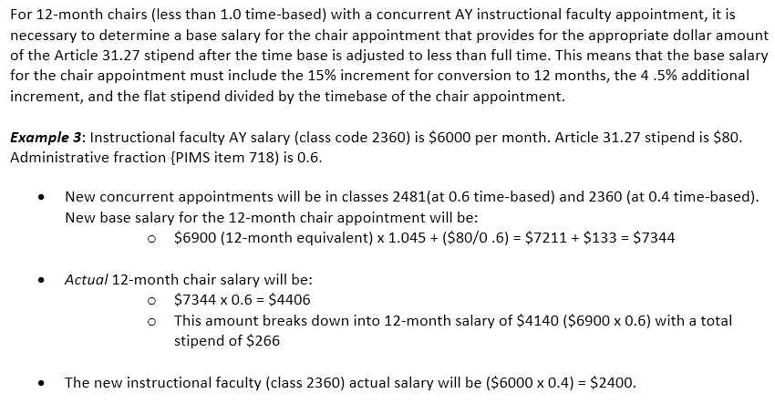
Department Chair Calculation - 2481 (12-Month)

Class Code | Base Salary | Time Base | Actual Monthly Salary
2481 | $7,344 | 0.6 | $4,406.40
2360 | $6,000 | 0.4 | $2,400.00
Flat monthly stipend | $80 |  | $6,806.40

Breakdown |  |  | Annual Salary

15% Conversion | $900 |  | $81,676.80
4.5% increase | $311
Stipend | $133

*only fill in gray highlighted fields

Chair - AY (Example 6)
Name

Department |  |  |  | https://csyou.calstate.edu/tools/hr/salaryprogram/cfa/department-chairpersons/Pages/default.aspx
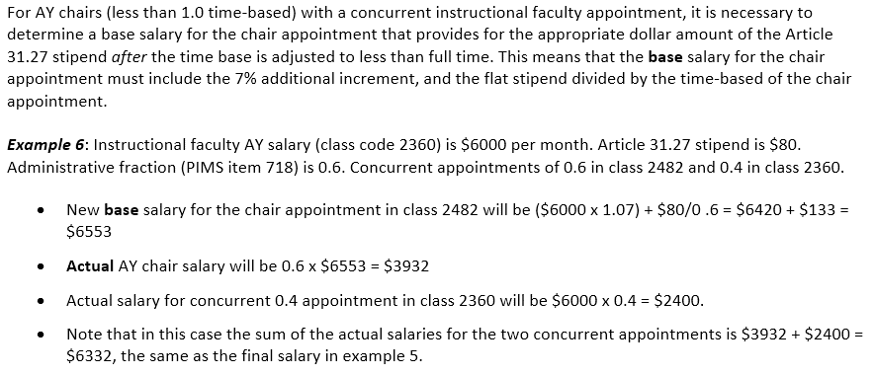
Department Chair Calculation - 2482 (AY)

Class Code | Base Salary | Time Base | Actual Monthly Salary
2482 | $6,553 | 0.6 | $3,931.80
2360 | $6,000 | 0.4 | $2,400.00
Flat monthly stipend | $80 |  | $6,331.80

Breakdown |  |  | Annual Salary

7% increase | $420 |  | $75,981.60
Stipend | $133

*only fill in gray highlighted fields

